Lecture & F. Number Reference
Fibonacci Numbers
0 | 1 | 1 | 2 | 3 | 5 | 8 | 13 | 21 | 34 | 55 | 89 | 144 | 233 | 377 | 610 | 987 | 1597 | 2584 | 4181 | 6765 | 10946 | 17711
1
1
2
3
5
8
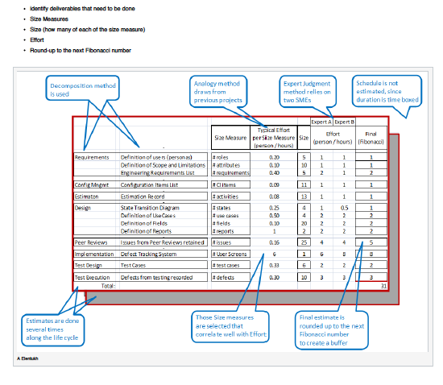
13
21
34
55
89
144
233
377
610
987
1597
2584
4181
6765
10946
17711
28657

